Sheet1
SCM
BRD Document
 Prepared by NXT11_ONL2_ERP3 Team (2)
Application | No. | Obstacle | Type | Proposed solution | Initiation Date | Estimated completion date | Completion date | Current status | Assigned to | Result
Inventory | 1 | Restrict the Specialization and separation them betweent the users | New feature | Creating Custom reposibilities with custom menues as per users specialization and assign each custom responsibility to its user | 15-Feb-25 | 17-Feb-25 | 17-Feb-25 | Closed | Ahmed Bahaa | Completed
Inventory | 2 | Ensure unified items definition | New feature | Creating one item master organisation for our oth inventory orgs | 22-Feb-25 | 24-Feb-25 |  | Closed | Essam | Completed
Inventory | 3 | The Lot Control & Expiration date are required for tracking purpose | New feature | Lot & Expiration date Generation will be on item level during item difination | 17-Feb-25 | 19-Feb-25 | 19-Feb-25 | Closed | Radwa | Completed
Inventory | 4 | The transfer charge to be assigned on the Retails | New feature | it will be setted on Shipment with fixed value during the distribution shipments on retails (the transfer costs will be averaged on all retails as per costing method) | 18-Feb-25 | 20-Feb-25 | 20-Feb-25 | Closed | E. Ashraf | Completed
Inventory | 5 | Transfer some items between the retails to achieve more flixibility | New feature | we will use subinventory transfer with custom move order transaction (Transfer due to shoratge) for reporting purpose | 20-Feb-25 | 22-Feb-25 | 22-Feb-25 | Closed | Essam | Completed
Inventory | 6 | Transfer the Expired Items to the Expired Locators inside the retails to be with approval cycle |  | Creating Custom Tansaction "Expired items transfer to Their locators" + Source Type "Move Order" + Action "Subinventory Transfer" | 12-Apr-25 | 14-Apr-25 | 14-Apr-25 | Closed | Yasser | Completed
Inventory | 7 | we have to prevent users from selecting expired stocks for sales | New feature | Assign the "AB Expired Items" Material status on the Expired Locator in every Retail subinventory | 21-Feb-25 | 23-Feb-25 | 23-Feb-25 | Closed | Essam | Completed
Inventory | 8 | The costing items in warehouses will be different about in the retails due to the tranportation fees | New feature | Creation 2 inventory organisation for WH & Retails will be mandatory using Average costing method. | 16-Feb-25 | 18-Feb-25 | 18-Feb-25 | Closed | A. El Mahdy | Completed
Inventory | 9 | Release Free Medical Samples from the Retails to be with Approval and tracking Reporting | New feature | We will Create Custom Transaction "Release Free Medical Samples" + Source type "Move Order" + Action "Issue From Store" | 23-Feb-25 | 25-Feb-25 | 25-Feb-25 | Closed | Essam | Completed
Inventory | 10 | The Items to be inspected before being added to inventory | Enhancement | receipt routing to be inspection Required | 24-Feb-25 | 26-Feb-25 | 28-Feb-25 | Closed | Yasser | Completed
Inventory | 11 | The Midicines to be stored inside the warehouse organization locations related by the supplier name | New feature | Divide the warehouse org. to subinventories then divide every subinventory to locators including segment by supplier name | 25-Feb-25 | 27-Feb-25 | 1-Mar-25 | Closed | Yasser | Completed
Inventory | 12 | refrigerator midicines items to be stored in fixed locators (refrigerator) |  | during item difination to be restricted the refrigerator locator inside all the reatials | 26-Feb-25 | 28-Feb-25 | 2-Mar-25 | Closed | Ahmed Bahaa | Completed
Order management | 13 | Separation between the Retails Sales Orders and Invoices | New feature | Creating Sales Order Type and Invoice for every Retail | 28-Feb-25 | 2-Mar-25 | 15-Mar-25 | Closed | Essam | Completed
Purchasing | 14 | PR Classification for inventory / Assets items | New feature | Increase DFF in PR screen by the both types and to be required to the user must enter Value Type | 1-Mar-25 | 3-Mar-25 | 3-Mar-25 | Closed | Radwa | Completed
Purchasing | 15 | User can change The approval hierarchy depending on the item type "inventory / Assets" |  | Different Approval Hierarchy will be allowed to be switched in between "AB Pharmacies/AB Pharmacies Assets" Hierarchies | 14-Mar-25 | 16-Mar-25 | 16-Mar-25 | Closed | Yasser | Completed
Purchasing | 16 | We have to ensure the received goods matched with PO and inspection results before proceed in invoicing phases | New feature | We will Use 4 way matching approval level | 2-Mar-25 | 4-Mar-25 | 3-Mar-25 | Closed | A. El Mahdy | Completed
Purchasing | 17 | Manual and Automatic Purchase Requests to replenish the main warehouses organization | New feature | Implement Oracle Purchasing to allow users to raise PRs through the system, either manually or via Min-Max Planning. Approval hierarchies validate PRs | 4-Mar-25 | 6-Mar-25 | 6-Mar-25 | Closed | Ahmed Bahaa | Completed
Purchasing | 18 | Stock Shortage at Retails and Delayed Fulfillment | New feature | Enable Internal Requisition (IR) generation via daily Min-Max Planning EOD. When stock drops below thresholds, the system auto-generates IRs to request items from AB_WH_ORG, fulfilled via ISOs. | 5-Mar-25 | 7-Mar-25 | 27-Mar-25 | Closed | Essam | Completed
Purchasing | 19 | Lack of Supplier Agreements and Purchase Control | New feature | Use Standard POs for vendor purchases and establish Blanket Purchase Agreements (BPAs) for frequently ordered items. Use CPAs for broader agreements. | 6-Mar-25 | 8-Mar-25 | 10-Apr-25 | Closed | E. Ashraf | Completed
Purchasing | 20 | Decentralized Procurement and Lack of Oversight | New feature | Centralize purchasing in head office. Warehouses raise PRs, while procurement team handles PO creation/releases from BPAs/Standard PO from CPAs for compliance and visibility. | 7-Mar-25 | 9-Mar-25 | 10-Apr-25 | Closed | Radwa | Completed
Purchasing | 21 | Lack of Reporting and Performance Monitoring | Enhancement | Use Oracle Purchasing reports and dashboards to track PR/PO status, approval times, inter-org transfers, and supplier performance. | 8-Mar-25 | 10-Mar-25 | 15-Mar-25 | Closed | Radwa | Completed
Purchasing | 22 | No Clear Mechanism to Select Approved Supplier per Item | Enhancement | Utilize Approved Supplier List (ASL) to associate each item with approved vendors, enabling the system to enforce the correct supplier list automatically. | 9-Mar-25 | 11-Mar-25 | 5-Apr-25 | Closed | Essam | Completed
Purchasing | 23 | Missing Link Between Long-Term Agreements and Purchase Execution | New feature | Link BPAs in ASL and Sourcing Rules so system auto-selects proper agreements during PR-to-PO conversion. And check Box Notify If BPA exists on purchasing options | 10-Mar-25 | 12-Mar-25 | 20-Mar-25 | Closed | Essam | Completed
Purchasing | 24 | Stock Shortage at Warehouses and Delayed Fulfillment | New feature | Enable Purchase Requisition (PR) generation via daily Min-Max Planning EOD. When stock drops below thresholds, the system auto-generates releases from assigned BPA on approved supplier list to receive items Max quantities from supplier. | 11-Mar-25 | 13-Mar-25 | 15-Mar-25 | Closed | Essam | Completed
Purchasing | 25 | Forbidden Buyer override | Enhancement | Profile option PO: Allow Buyer Override in Autocreate Find system profile to be No | 12-Mar-25 | 14-Mar-25 | 14-Mar-25 | Closed | E. Ashraf | Completed
Purchasing | 26 | Requester can't approve his PR | Enhancement | Unmark Owner can approve checkbox in the PR Document type | 13-Mar-25 | 15-Mar-25 | 15-Mar-25 | Closed | Yasser | Completed
Purchasing | 27 | The approval hierarchy only have permission to veiw and modify in the Purchase documents | Enhancement | Determine the security level to be hierarchy and access level to be full in the purchaing Document types | 15-Mar-25 | 17-Mar-25 | 17-Mar-25 | Closed | Yasser | Completed
Purchasing | 28 | Ability to return the expired midicines at any time | Enhancement | Don't close the PO statuses finally | 16-Mar-25 | 18-Mar-25 | 18-Mar-25 | Closed | Ahmed Bahaa | Completed
Purchasing | 29 | Decrease the entries in the PR | Enhancement | Fill all the shared data in all PR from the preferences | 17-Mar-25 | 19-Mar-25 | 19-Mar-25 | Closed | A. El Mahdy | Completed
Purchasing | 30 | International Midicine Codes entry in PO , Receiving Transaction & item Master screens are mandatory | New feature | DFF addition in the three screens "PO , Receiving Transaction & item Master " | 18-Mar-25 | 20-Mar-25 | 20-Mar-25 | Closed | E. Ashraf | Completed
Order management | 31 | Items pricing | New feature | Price list creation and assign it on the custorm sales order types | 1-Apr-25 | 3-Apr-25 | 3-Apr-25 | Closed | Radwa | Completed
Purchasing | 32 | Manual internal Requests to replenish the retails org by urgent replenishment for a specific quantity | New feature | Craete manual IR then will be generated internal sales order | 10-Apr-25 | 12-Apr-25 | 12-Apr-25 | Closed | Essam | Completed
Inventory | 33 | Allow Specific Doctor to override the routing | Enhancement | Set Profile option "RCV: Allow routing override" to be Yes on the specific user level | 20-Apr-25 | 22-Apr-25 | 20-Apr-25 | Closed | A. El Mahdy | Completed
Inventory | 34 | Return the Expired items from the retails to the WH org | New feature | Creating Custom Transaction "Return Expired items to AB WH" + Source Type "inventory" + Action "Intransit shipment" | 21-Apr-24 | 23-Apr-24 | 23-Apr-25 | Closed | Yasser | Completed
Inventory | 35 | Warehouse may be covered shotage in other with approval cycle and mentioned the reason | New feature | Creating Custom Tansaction "Cover Shortage in WH" + Source Type "Move Order" + Action "Subinvntory Transfer" | 414664 | 25-Apr-25 | 25-Apr-25 | Closed | Ahmed Bahaa | Completed
Order management | 36 | releasing the SO to be from the matched retail with SO type | New feature | Reservation Time Fence parameter in OM to be Zero + show "subinventory" Field in shipping Tab in sales order on line level | 19-Mar-25 | 21-Mar-25 | 2025-04-24 | Closed | Essam | Completed
Purchasing | 37 | Negotiation with sppliers about items prices & shipment to the main warehouses to get our target prices | New feature | Generating RFQ from the PRs then print them and send them to the suppliers by mail to get best prices then after analysis quotations we will generate from the approved quotation the Agreement to proceed | 13-Apr-25 | 15-Apr-25 | 2025-04-15 | Closed | Ahmed Bahaa | Completed

Reference
The Custom Transactions Name | Source |  | Actions

Transfer due to shoratge | Move Order |  | Subinventory Transfer
Expired items transfer to Their locators | Move Order |  | Subinventory Transfer
Release Free Medical Samples | Move Order |  | Issue From Store
Return Expired items to AB WH" | Inventory |  | Intransit Shipment
Cover Shortage in WH | Move Order |  | Subinventory Transfer

Sales Order Transaction Types | Receivable Transaction Type
SO Alex1 | Alex1 Retail Inv
SO Assiut | Assiut Retail invoic
SO Benha | Benha Retail Inv
SO Cairo | Abbasia Retail Inv
SO Mansoura | Mansora Retail Inv

Cairo WH Locators |  | Upper WH Locators
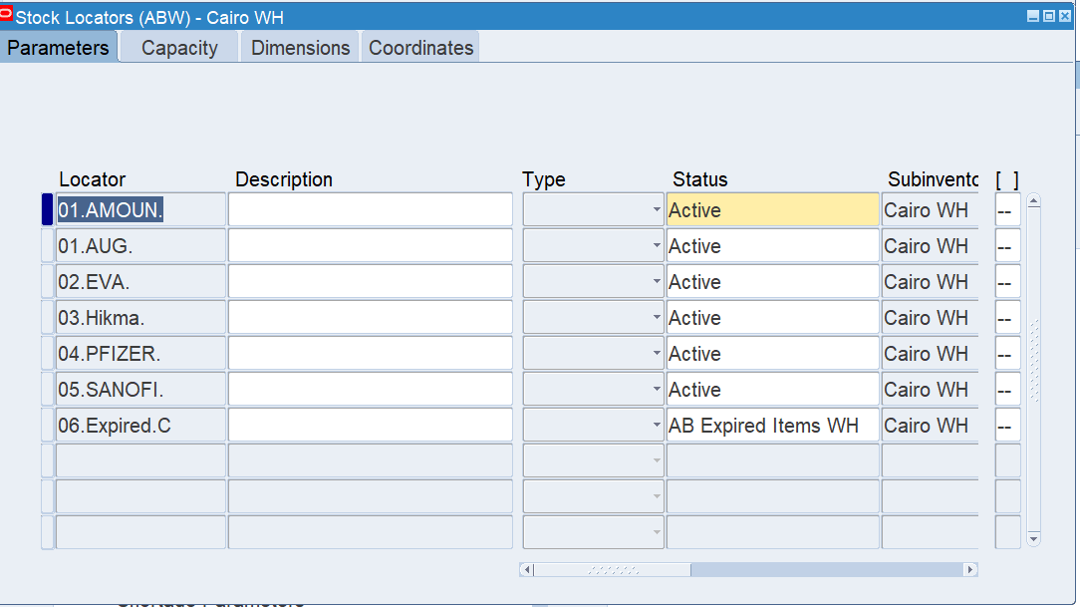
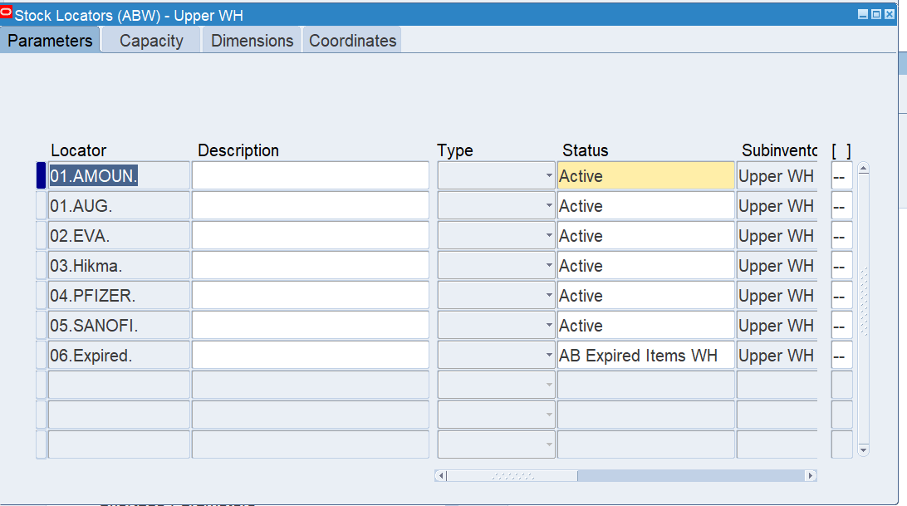

The Retails
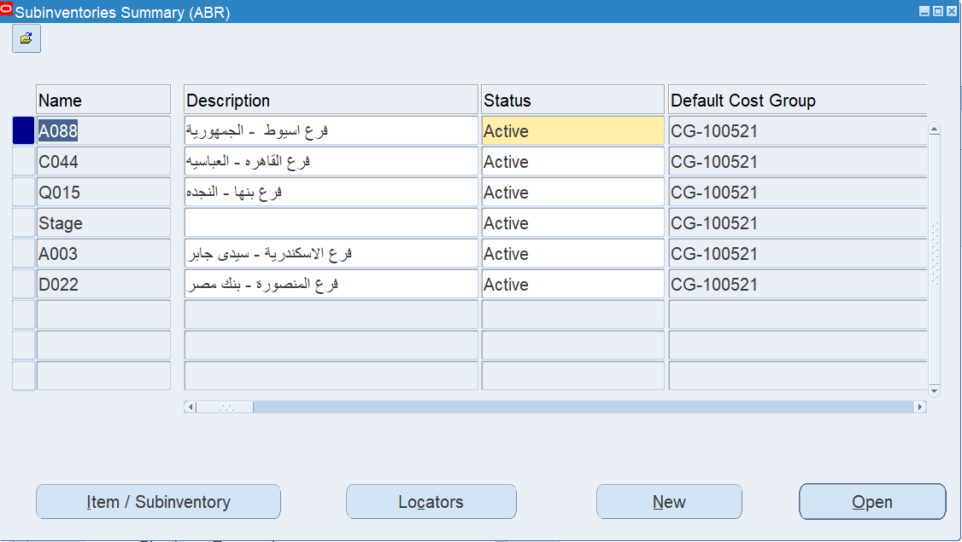

Assiut Retail Lcators |  | Cairo Retail
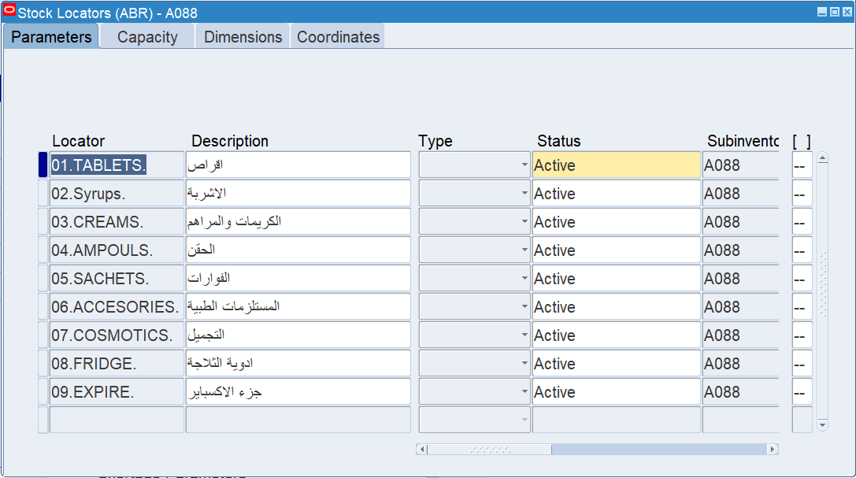
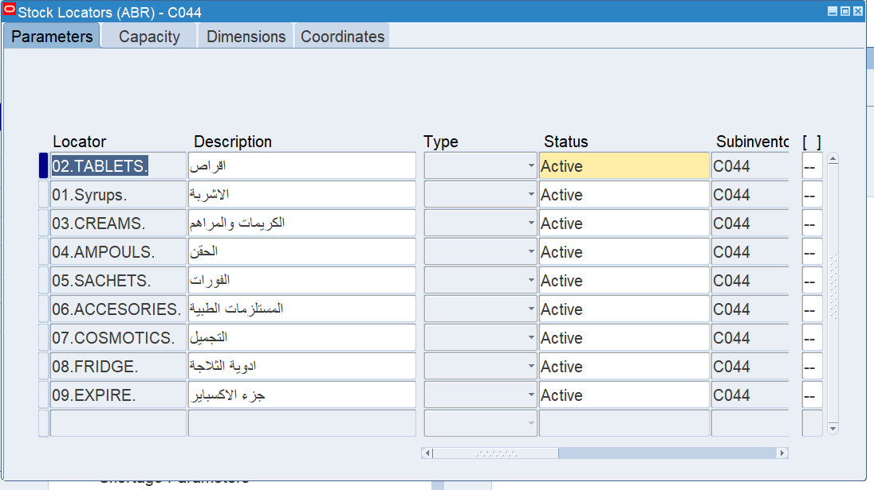

Benha Retail Locators |  | Alex Retail Locators
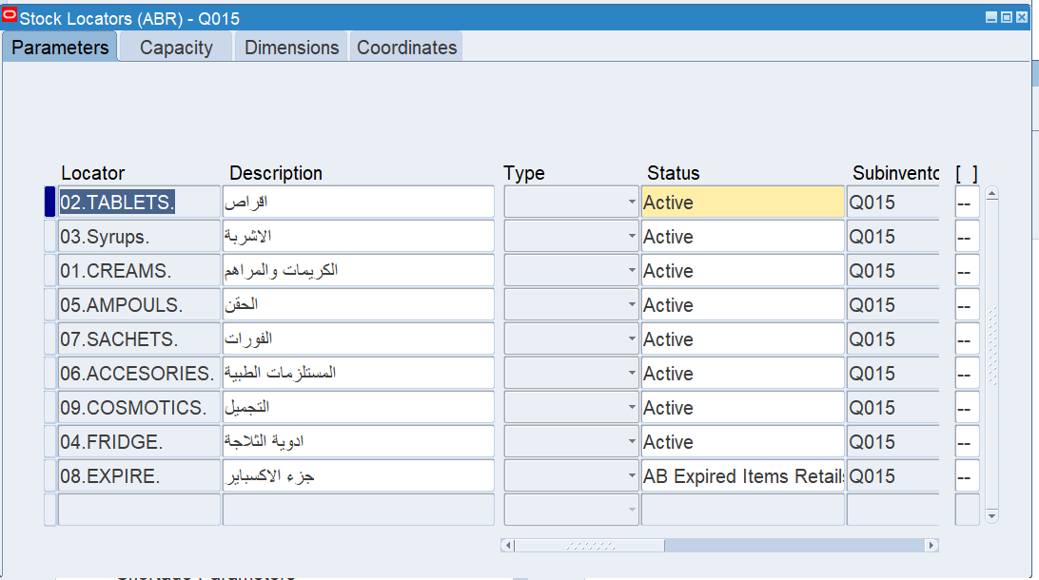
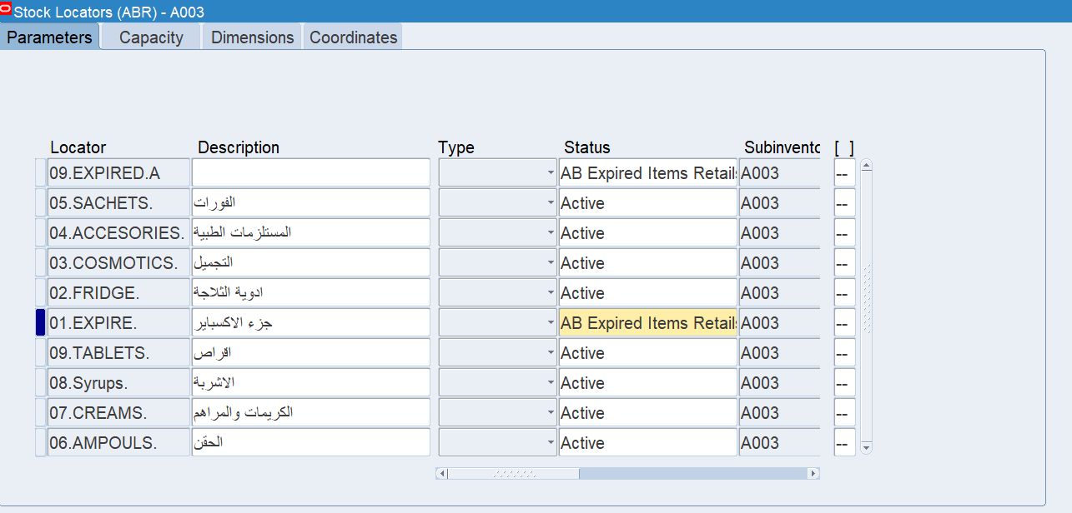

Mansoura Retail Locators
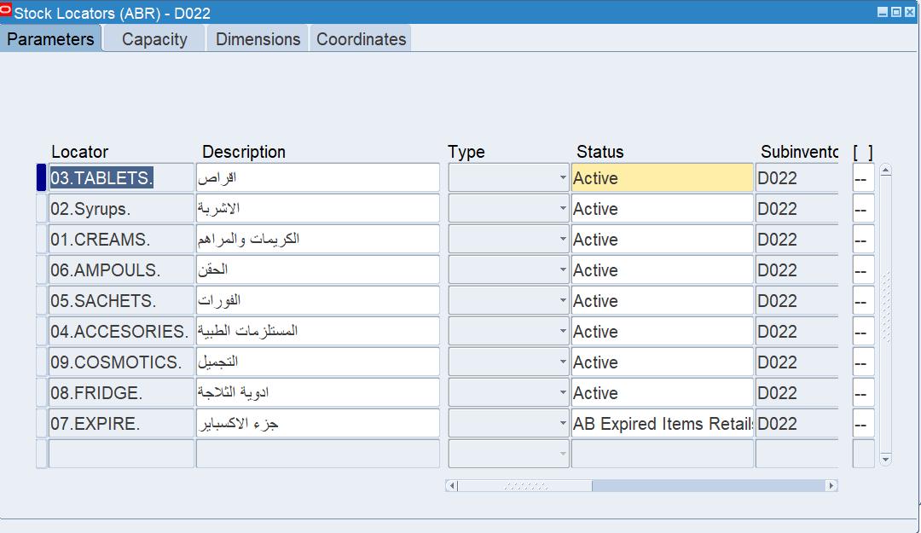

Custom Retails Matrial Status
AB Expired Items Retails |  | AB Expired Items WH
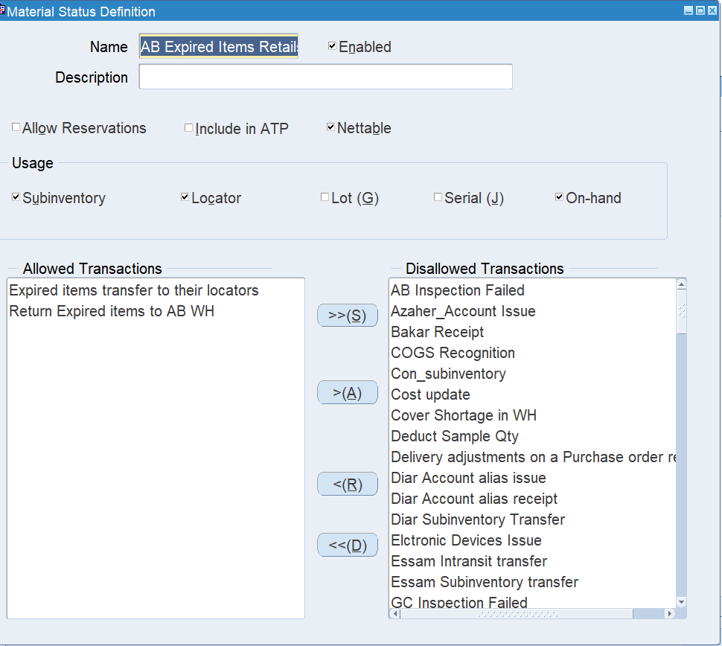
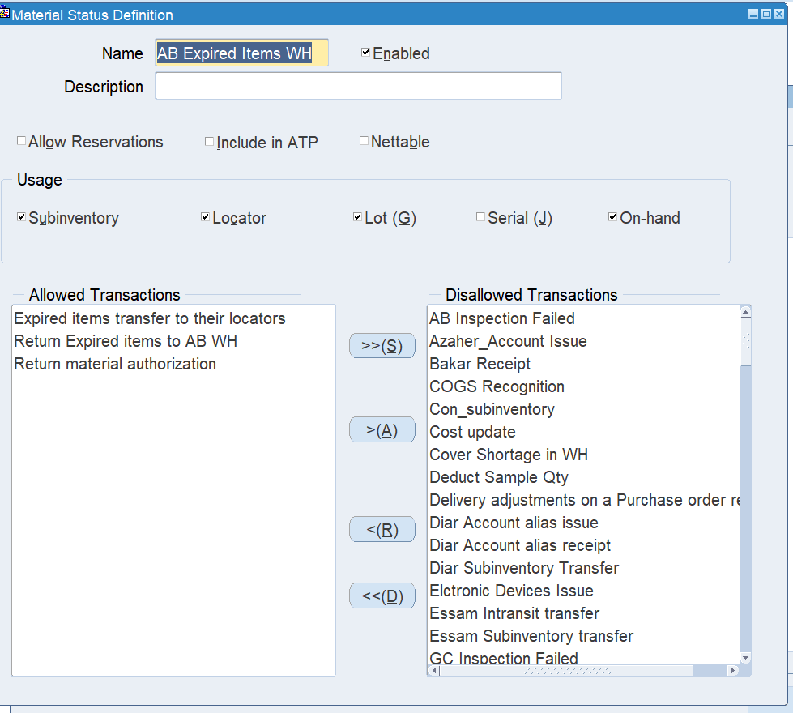

Item Categories

MIDCINE Family |  | CARE Family
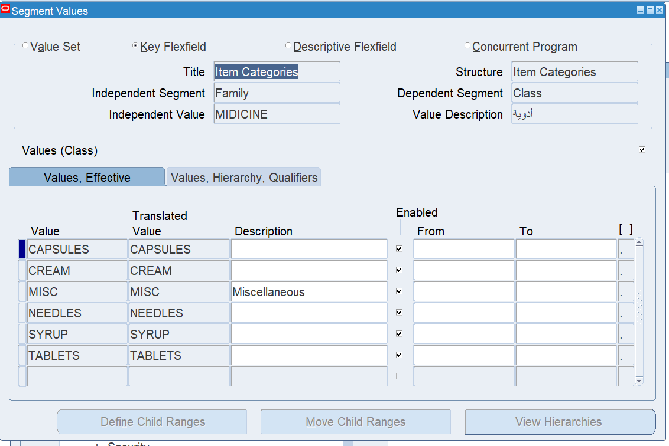
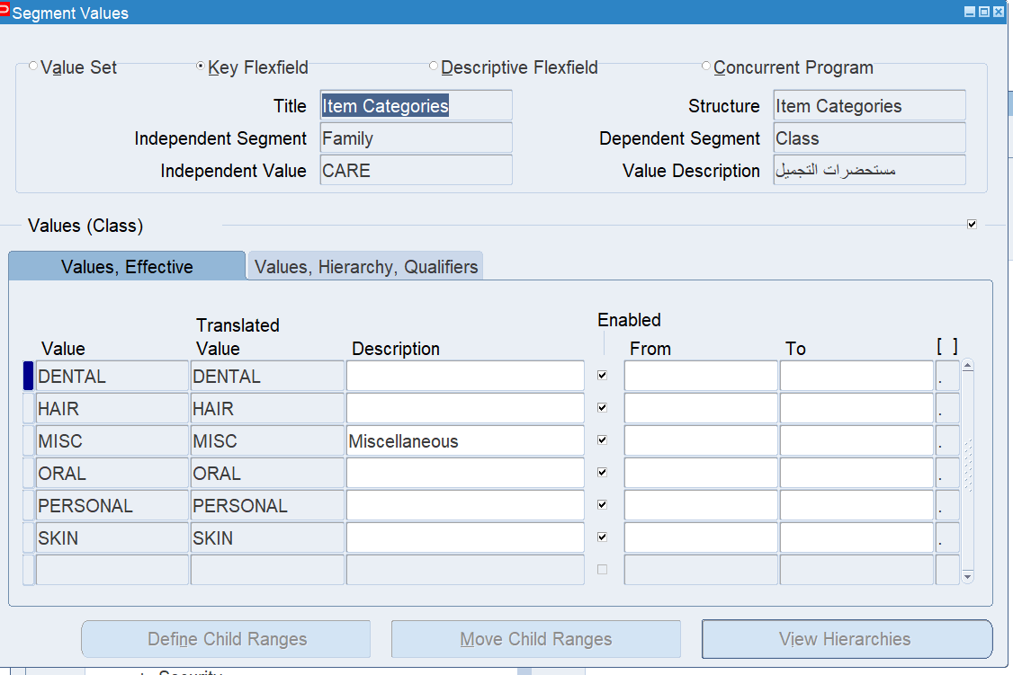

The Used Profil Options
RCV: Allow routing override
Replicate Seed Data
Fill Employee Hierarchy

